Data Collection
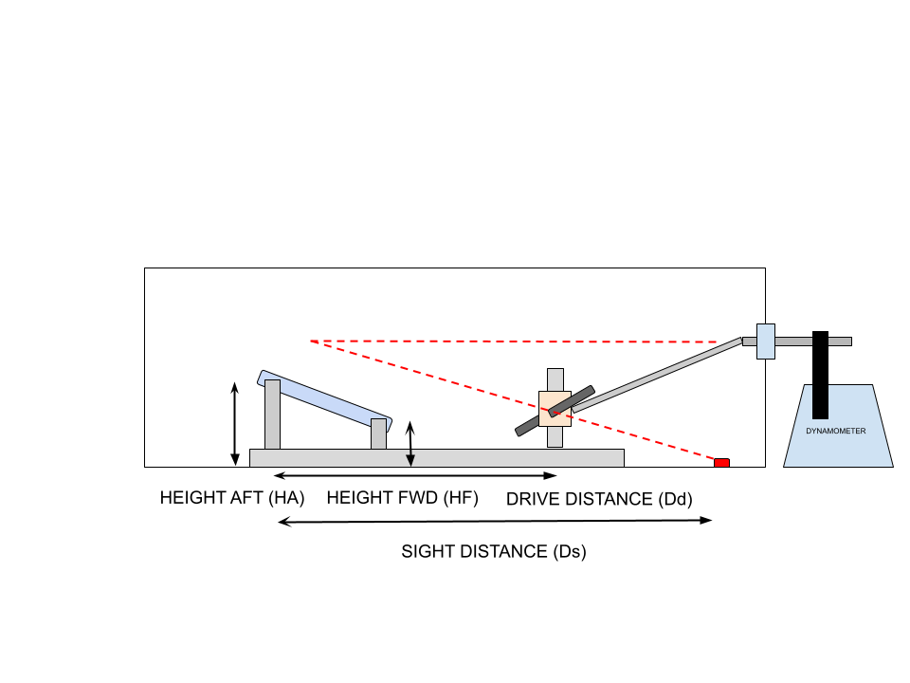
 | HF (in) | HA (in) | Dd (in) | Ds (in) | Pilot Angle (deg) | Visibility Angle (deg) | Power (W) | RPM
 | 1 | 12 | 6 | 8 | 27.3 | 56.3 | 120 | 240
 | 1 | 11
 | 1 | 10
 | 1 | 9
 | 1 | 8
 | 12 | 12
 | 11 | 12
 | 10 | 12
 | 9 | 12
 | 8 | 12
Test Data
#1 | 0 | 9 | 46
#2

